Sheet1
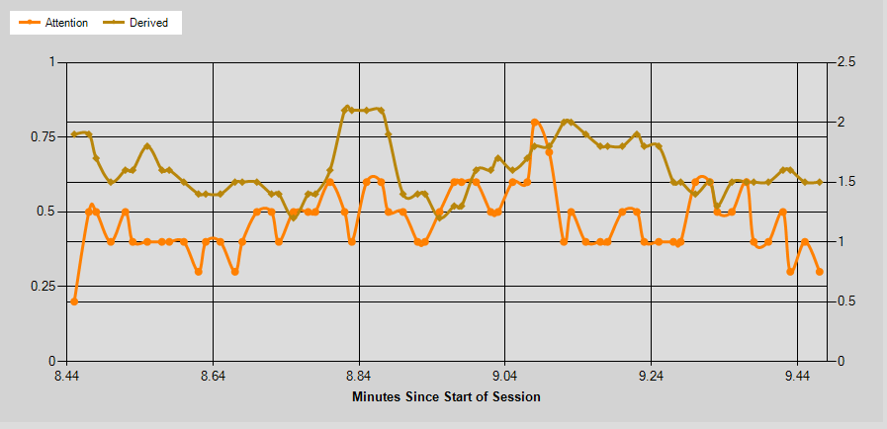
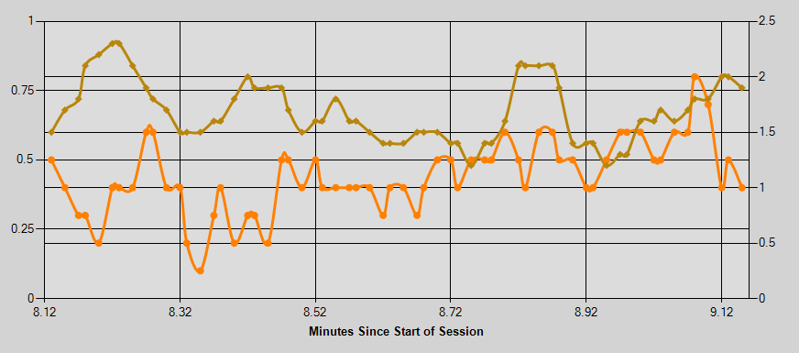
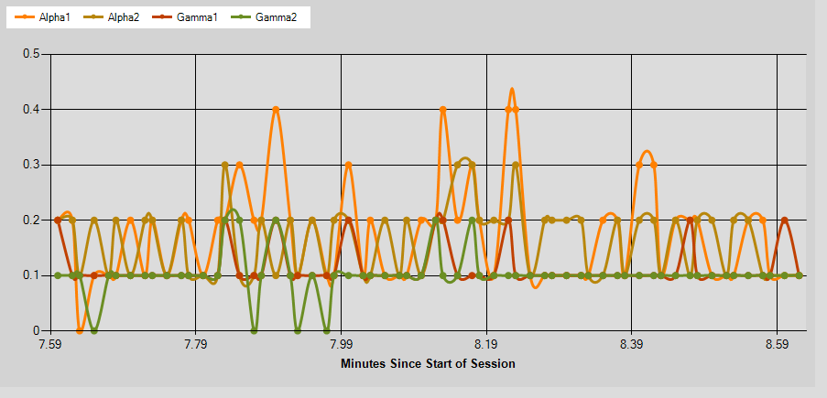
 | Base |  |  |  |  | AVG[(A1+A2)/(G1+G2)] |  | Exp1 |  |  |  |  |  |  | Exp2
PPT # | Alpha 1 (A1) | Alpha 2(A2) | Gamma 1(G1) | Gamma 2(G2) | Attention (Attn.) | Dervived Formula (Derv.) | High Score | A1 | A2 | G1 | G2 | Attention (Attn.) | Derv. | High Score | A1 | A2 | G1 | G2 | Attention (Attn.) | Derv. | High Score | Wrd Acc.
1 | 26990.300676 | 25992.371622 | 10944.418919 | 6176.0371622 | 69.184300341 | 1.79 | 25 | 26714.75 | 24379.95 | 9287.34 | 6357.61 | 59.33 | 1.83 | 12 | 26714.75 | 24379.95 | 13753.88 | 7808.39 | 59.33 | 1.64 | 8 | 0.60

2 | 44341.131757 | 32182.695946 | 17605.695946 | 9985.4695946 | 52.66894198 | 1.72 | 21 | 32635.42 | 29936.65 | 15208.43 | 8445.70 | 55.85 | 1.62 | 9 | 27911.09 | 24599.88 | 9866.83 | 8111.98 | 42.53 | 1.69 | 11 | 0.80
 |  |  |  |  |  |  |  |  |  |  |  |  |  |  |  |  |  |  |  |  |  |  | During the second part of the experiment
3 | 32271.935593 | 27617.379661 | 14745.918644 | 8546.7830508 | 47.284246575 | 1.58 | 18 | 32251.81 | 26988.53 | 13753.88 | 7808.39 | 52.64 | 1.65 | 10 | 26990.30 | 25992.37 | 10944.42 | 6357.61 | 69.14 | 1.79 | 5 | 0.70

4 | 32954.371622 | 25077.10473 | 12829.503378 | 7251.2702703 | 48.075085324 | 1.68 | 16 | 30419.75 | 28641.60 | 13885.44 | 8005.28 | 45.83 | 1.64 | 12 | 27072.62 | 26184.94 | 8755.72 | 7251.27 | 48.08 | 1.68 | 7 | 0.50 | List of Spoken Random Words
 |  |  |  |  |  |  |  |  |  |  |  |  |  |  |  |  |  |  |  |  |  |  | Dog | Worker
5 | 30480.19244 | 27679.47079 | 13449.955326 | 8257.5463918 | 51.1875 | 1.62 | 17 | 31585.12 | 29901.42 | 14391.44 | 8111.98 | 42.53 | 1.69 | 16 | 27911.09 | 24599.88 | 9866.83 | 6727.80 | 50.35 | 1.63 | 9 | 0.40 | Driver | Cousin
 |  |  |  |  |  |  |  |  |  |  |  |  |  |  |  |  |  |  |  |  |  |  | Breath | Advice
6 | 29870.010309 | 27365.092784 | 13844.838488 | 7707.1408935 | 49.326388889 | 1.63 | 18 | 31986.85 | 28156.32 | 14867.71 | 8548.57 | 50.35 | 1.63 | 14 | 32271.94 | 28156.32 | 13885.44 | 6176.04 | 45.31 | 1.64 | 14 | 0.30 | Speech | Church
 |  |  |  |  |  |  |  |  |  |  |  |  |  |  |  |  |  |  |  |  |  |  | Dealer | Extent
7 | 29001.588435 | 25489.884354 | 11247.027211 | 6587.2585034 | 60.663230241 | 1.74 | 15 | 27911.09 | 24599.88 | 9866.83 | 6727.80 | 56.28 | 1.73 | 13 | 30705.29 | 34232.49 | 11702.08 | 7097.08 | 50.22 | 1.84 | 11 | 0.80
 |  |  |  |  |  |  |  |  |  |  |  |  |  |  |  |  |  |  |  |  |  |  | Clarification on what Derived Formula Means - Based off of the documentation provided with the use of the application and a separate example experiment that was conducted in a presentation video that was provided with the application I deduced a formula that takes into account the various Alpha and gamma waves to find some kind of average. The goal is to see if the formula I made would be similar to the application's predetermined formula for the attention state. The performance grading are parameters that are set so that the experiment data has to meet a certain quality of a reading by comparing it to the baseline to then accept the data as confident/reliable.
8 | 27072.621622 | 26184.942568 | 8755.7195946 | 5674.5506757 | 47.061433447 | 1.98 | 17 | 33365.35 | 29235.36 | 11893.72 | 7379.12 | 47.45 | 1.86 | 15 | 22621.97 | 20343.86 | 7531.59 | 4956.85 | 53.10 | 1.92 | 9 | 0.50

9 | 30573.432432 | 27770.466216 | 9597.375 | 5710.8141892 | 43.279863481 | 1.98 | 22 | 27248.38 | 31423.51 | 8701.52 | 5840.57 | 45.31 | 2.01 | 14 | 24834.75 | 26624.65 | 9106.86 | 5154.18 | 49.88 | 2.00 | 10 | 0.60

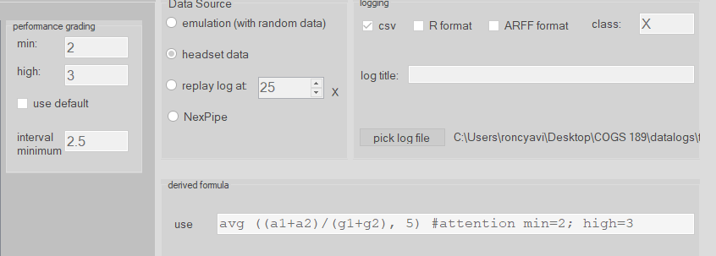
10 | 26249.851351 | 28177.307432 | 11703.537162 | 6408.2398649 | 60.56996587 | 1.72 | 19 | 31856.91 | 31972.60 | 12281.85 | 7433.81 | 39.49 | 1.82 | 17 | 27779.09 | 32579.59 | 13811.41 | 9036.42 | 45.22 | 1.72 | 12 | 0.70

11 | 35863.092369 | 30114.951807 | 13773.156627 | 8724.7108434 | 35.890243902 | 1.73 | 16 | 32020.64 | 24232.57 | 14340.74 | 18584.36 | 38.71 | 1.64 | 14 | 34548.27 | 36588.63 | 24754.14 | 17948.31 | 46.79 | 1.69 | 11 | 0.50

12 | 46400.975945 | 33010.793814 | 21027.230241 | 14344.797251 | 43.579861111 | 1.4662199313 | 15 | 49887.97 | 37366.82 | 20215.72 | 13764.19 | 44.48 | 1.59 | 15 | 23396.25 | 25531.18 | 8991.78 | 5572.65 | 60.60 | 1.90 |  | 0.40
 |  |  |  |  |  |  |  |  |  |  |  |  |  |  |  |  |  |  |  |  | 13
13 | 25272.233108 | 23295.753378 | 20998.513514 | 22187.290541 | 38.610921502 | 1.7366216216 | 14 | 32054.95 | 23595.79 | 26237.21 | 22711.30 | 29.19 | 1.70 | 12 | 24702.50 | 24578.05 | 23511.57 | 20895.96 | 43.74 | 1.99 | 9 | 0.30

14 | 24927.850847 | 26818.844068 | 10232.715254 | 6593.2644068 | 49.616438356 | 1.775559322 | 18 | 24996.87 | 24227.15 | 8778.09 | 5743.21 | 50.30 | 1.89 | 15 | 33072.39 | 31341.23 | 11308.18 | 7759.05 | 53.44 | 1.83 | 11 | 0.70

15 | 35796.079585 | 27895.359862 | 12874.435986 | 8646.5570934 | 34.181818182 | 1.7756055363 | 20 | 28350.384106 | 24940.304636 | 9838.3576159 | 6445.8940397 | 45.105960265 | 1.8524503311 | 11 | 33308 | 32055.721854 | 11787.331126 | 7317.3774834 | 43.635761589 | 1.918013245 | 7 | 0.30

AVG | 31871.04 | 27644.83 | 13575.34 | 8853.45 | 48.75 | 1.73 | 18.07 | 31552.42 | 27973.23 | 13569.89 | 9460.52 | 46.86 | 1.74 | 13.27 | 28256.02 | 27852.58 | 12638.54 | 8544.73 | 50.76 | 1.79 | 9.80 | 54.00%

Trend of A1+A2 and G1+G2 Baseline
 | Alpha 1 (A1) | Alpha 2(A2) | Gamma 1(G1) | Gamma 2(G2)
1 | 26990.300676 | 25992.371622 | 10944.418919 | 6176.0371622
2 | 44341.131757 | 32182.695946 | 17605.695946 | 9985.4695946
3 | 32271.935593 | 27617.379661 | 14745.918644 | 8546.7830508
4 | 32954.371622 | 25077.10473 | 12829.503378 | 7251.2702703
5 | 30480.19244 | 27679.47079 | 13449.955326 | 8257.5463918
6 | 29870.010309 | 27365.092784 | 13844.838488 | 7707.1408935
7 | 29001.588435 | 25489.884354 | 11247.027211 | 6587.2585034
8 | 27072.621622 | 26184.942568 | 8755.7195946 | 5674.5506757
9 | 30573.432432 | 27770.466216 | 9597.375 | 5710.8141892
10 | 26249.851351 | 28177.307432 | 11703.537162 | 6408.2398649
11 | 35863.092369 | 30114.951807 | 13773.156627 | 8724.7108434
12 | 46400.975945 | 33010.793814 | 21027.230241 | 14344.797251
13 | 25272.233108 | 23295.753378 | 20998.513514 | 22187.290541
14 | 24927.850847 | 26818.844068 | 10232.715254 | 6593.2644068
15 | 35796.079585 | 27895.359862 | 12874.435986 | 8646.5570934
Trend of A1+A2 and G1+G2 Exp1
 | Alpha 1 (A1) | Alpha 2(A2) | Gamma 1(G1) | Gamma 2(G2)
1 | 26714.75 | 24379.95 | 9287.34 | 6357.61
2 | 32635.42 | 29936.65 | 15208.43 | 8445.70
3 | 32251.81 | 26988.53 | 13753.88 | 7808.39
4 | 30419.75 | 28641.60 | 13885.44 | 8005.28
5 | 31585.12 | 29901.42 | 14391.44 | 8111.98
6 | 31986.85 | 28156.32 | 14867.71 | 8548.57
7 | 27911.09 | 24599.88 | 9866.83 | 6727.80
8 | 33365.35 | 29235.36 | 11893.72 | 7379.12
9 | 27248.38 | 31423.51 | 8701.52 | 5840.57
10 | 31856.91 | 31972.60 | 12281.85 | 7433.81
11 | 32020.64 | 24232.57 | 14340.74 | 18584.36
12 | 49887.97 | 37366.82 | 20215.72 | 13764.19
13 | 32054.95 | 23595.79 | 26237.21 | 22711.30
14 | 24996.87 | 24227.15 | 8778.09 | 5743.21
15 | 28350.38 | 24940.30 | 9838.36 | 6445.89
Trend of A1+A2 and G1+G2 Exp2
 | Alpha 1 (A1) | Alpha 2(A2) | Gamma 1(G1) | Gamma 2(G2)
1 | 26714.75 | 24379.95 | 13753.88 | 7808.39
2 | 27911.09 | 24599.88 | 9866.83 | 8111.98
3 | 26990.30 | 25992.37 | 10944.42 | 6357.61
4 | 27072.62 | 26184.94 | 8755.72 | 7251.27
5 | 27911.09 | 24599.88 | 9866.83 | 6727.80
6 | 32271.94 | 28156.32 | 13885.44 | 6176.04
7 | 30705.29 | 34232.49 | 11702.08 | 7097.08
8 | 22621.97 | 20343.86 | 7531.59 | 4956.85
9 | 24834.75 | 26624.65 | 9106.86 | 5154.18
10 | 27779.09 | 32579.59 | 13811.41 | 9036.42
11 | 34548.27 | 36588.63 | 24754.14 | 17948.31
12 | 23396.25 | 25531.18 | 8991.78 | 5572.65
13 | 24702.50 | 24578.05 | 23511.57 | 20895.96
14 | 33072.39 | 31341.23 | 11308.18 | 7759.05
15 | 33308.00 | 32055.72 | 11787.33 | 7317.38

